2021 Assessment
2023 OPO Interim Annual Public Aggregated Performance Report
Donation and Transplant Rates, 2019

[1] Cutoffs are the median and 75th percentile of OPO performance determined based on measures from prior year.
[2] Additional organs needed for upper limit of the one-sided 95% confidence interval (CI) to meet the median and top 25% cutoffs.
[3] Tier Status is defined in the step #10 of the Methodology sheet.
[4] See Methodology sheet for description of age adjustment (step #5).

Yellow highlighted values indicate the upper limit of the one-sided 95% confidence interval (CI) is below the top 25% but at or above the median cutoff value.
Red highlighted values indicate the upper limit of the one-sided 95% confidence interval (CI) is below the median cutoff value.

Table 1a: Performance cutoff values for donation and transplant rates by year, 2019

Nation | January 1, 2019 - December 31, 2019
 | Donation |  |  |  | Transplant |  |  | Kidney Transplant
Observed Rate | 11.32 |  |  |  | 37.02 |  |  | 18.06
Top 25%1 | 11.78 |  |  |  | 38.69 |  |  | 18.20
Median1 | 10.12 |  |  |  | 32.61 |  |  | 15.33

 |  |  | Figure 1: Distribution of tier status3 for all OPOs in the nation, 2019
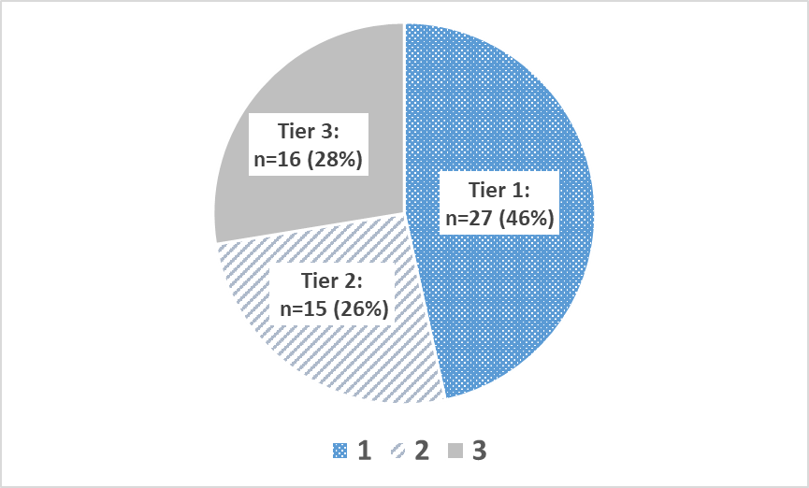

Table 1b: Donation and age-adjusted transplant rates, upper confidence limits, additional organs to meet cutoffs, and resulting performance tier for each OPO, 2019

Organ Procurement Organization (OPO) | OPO Code | January 1, 2019 - December 31, 2019
 |  | Donation |  |  |  | Transplant |  |  |  |  |  | Tier
 |  | Donation Rate | Upper limit of the one-sided 95% CI | Additional Donors Needed to Meet2: |  | Expected Rate | Observed Rate | Age-Adjusted Transplant Rate4 | Upper limit of the one-sided 95% CI | Additional Organs Needed to Meet2:
 |  |  |  | Median: | Top 25%: |  |  |  |  | Median: | Top 25%:
 |  |  |  | 149 | 545 |  |  |  |  | 482 | 2,184

Legacy of Hope | ALOB | 10.16 | 11.41 | 0 | 7 | 36.17 | 32.19 | 32.94 | 35.17 | 0 | 61 | 2
Arkansas Regional Organ Recovery Agency | AROR | 6.42 | 7.87 | 21 | 37 | 32.24 | 21.26 | 24.41 | 27.17 | 45 | 96 | 3
Donor Network of Arizona | AZOB | 13.51 | 14.80 | 0 | 0 | 47.86 | 48.20 | 37.28 | 39.19 | 0 | 0 | 1
Donor Network West | CADN | 12.43 | 13.45 | 0 | 0 | 34.07 | 39.21 | 42.60 | 44.60 | 0 | 0 | 1
Sierra Donor Services | CAGS | 8.65 | 10.44 | 0 | 11 | 36.04 | 28.67 | 29.45 | 32.57 | 1 | 48 | 3
OneLegacy | CAOP | 9.16 | 9.84 | 16 | 103 | 34.04 | 31.18 | 33.90 | 35.25 | 0 | 170 | 3
Lifesharing | CASD | 13.37 | 15.38 | 0 | 0 | 36.59 | 46.96 | 47.50 | 51.26 | 0 | 0 | 1
Donor Alliance | CORS | 13.94 | 15.62 | 0 | 0 | 45.39 | 45.47 | 37.09 | 39.58 | 0 | 0 | 1
New England Donor Services | CTOP | 11.86 | 14.33 | 0 | 0 | 39.68 | 39.69 | 37.03 | 41.03 | 0 | 0 | 1
Washington Regional Transplant Community | DCTC | 11.13 | 12.74 | 0 | 0 | 38.67 | 41.00 | 39.25 | 42.13 | 0 | 0 | 1
OurLegacy | FLFH | 13.41 | 15.02 | 0 | 0 | 41.82 | 45.98 | 40.71 | 43.35 | 0 | 0 | 1
Life Alliance Organ Recovery Agency | FLMP | 7.47 | 8.52 | 31 | 62 | 35.46 | 26.07 | 27.21 | 29.17 | 64 | 177 | 3
LifeQuest Organ Recovery Services | FLUF | 10.42 | 11.75 | 0 | 1 | 41.70 | 32.40 | 28.76 | 30.79 | 34 | 144 | 3
LifeLink of Florida | FLWC | 11.56 | 12.76 | 0 | 0 | 32.84 | 36.44 | 41.07 | 43.47 | 0 | 0 | 1
LifeLink of Georgia | GALL | 11.63 | 12.67 | 0 | 0 | 39.33 | 36.60 | 34.45 | 36.21 | 0 | 74 | 2
Iowa Donor Network | IAOP | 9.84 | 11.67 | 0 | 1 | 35.92 | 32.44 | 33.43 | 36.66 | 0 | 17 | 2
Gift of Hope Organ & Tissue Donor Network | ILIP | 12.79 | 13.79 | 0 | 0 | 34.39 | 40.48 | 43.57 | 45.53 | 0 | 0 | 1
Indiana Donor Network | INOP | 9.01 | 10.12 | 1 | 34 | 42.72 | 32.30 | 27.99 | 29.76 | 67 | 209 | 3
Kentucky Organ Donor Affiliates | KYDA | 6.96 | 8.03 | 37 | 66 | 32.93 | 23.91 | 26.88 | 28.98 | 58 | 155 | 3
Louisiana Organ Procurement Agency | LAOP | 12.96 | 14.37 | 0 | 0 | 44.58 | 43.78 | 36.35 | 38.52 | 0 | 4 | 2
New England Donor Services | MAOB | 11.03 | 12.04 | 0 | 0 | 35.91 | 35.20 | 36.28 | 38.15 | 0 | 15 | 2
The Living Legacy Foundation of Maryland | MDPC | 13.14 | 14.90 | 0 | 0 | 42.29 | 41.40 | 36.24 | 38.96 | 0 | 0 | 1
Gift of Life Michigan | MIOP | 10.70 | 11.69 | 0 | 3 | 33.31 | 35.67 | 39.64 | 41.64 | 0 | 0 | 2
LifeSource Upper Midwest Organ Procurement Organization | MNOP | 11.07 | 12.38 | 0 | 0 | 37.36 | 35.61 | 35.28 | 37.58 | 0 | 20 | 2
Mid-America Transplant | MOMA | 15.86 | 17.45 | 0 | 0 | 38.02 | 48.21 | 46.94 | 49.70 | 0 | 0 | 1
Mississippi Organ Recovery Agency | MSOP | 7.08 | 8.57 | 15 | 31 | 33.02 | 22.71 | 25.46 | 28.22 | 38 | 91 | 3
Midwest Transplant Network | MWOB | 17.83 | 19.54 | 0 | 0 | 40.57 | 61.96 | 56.54 | 59.58 | 0 | 0 | 1
LifeShare Carolinas | NCCM | 13.47 | 15.59 | 0 | 0 | 42.16 | 49.46 | 43.43 | 46.94 | 0 | 0 | 1
HonorBridge | NCNC | 10.66 | 11.77 | 0 | 1 | 35.68 | 34.84 | 36.15 | 38.22 | 0 | 11 | 2
Live On Nebraska | NEOR | 13.00 | 15.78 | 0 | 0 | 34.25 | 44.60 | 48.20 | 53.51 | 0 | 0 | 1
NJ Sharing Network | NJTO | 10.75 | 12.05 | 0 | 0 | 33.30 | 34.05 | 37.85 | 40.38 | 0 | 0 | 1
New Mexico Donor Services | NMOP | 9.51 | 11.78 | 0 | 0 | 41.82 | 27.50 | 24.35 | 27.50 | 33 | 71 | 3
Nevada Donor Network | NVLV | 15.86 | 17.94 | 0 | 0 | 35.82 | 49.85 | 51.51 | 55.35 | 0 | 0 | 1
Center for Donation & Transplant | NYAP | 11.24 | 13.57 | 0 | 0 | 30.22 | 33.87 | 41.49 | 46.19 | 0 | 0 | 1
Finger Lakes Donor Recovery Network | NYFL | 8.79 | 10.84 | 0 | 6 | 35.17 | 28.76 | 30.27 | 33.86 | 0 | 30 | 2
LiveOnNY | NYRT | 9.08 | 9.92 | 7 | 63 | 30.63 | 27.63 | 33.39 | 35.16 | 0 | 100 | 3
ConnectLife | NYWN | 7.11 | 9.54 | 3 | 9 | 31.68 | 18.12 | 21.17 | 25.09 | 26 | 47 | 3
Lifebanc | OHLB | 9.51 | 10.90 | 0 | 12 | 39.73 | 31.60 | 29.44 | 31.71 | 14 | 105 | 3
Life Connection of Ohio | OHLC | 11.95 | 14.07 | 0 | 0 | 41.78 | 40.52 | 35.90 | 39.24 | 0 | 0 | 1
Lifeline of Ohio | OHLP | 10.60 | 12.13 | 0 | 0 | 38.36 | 33.02 | 31.87 | 34.40 | 0 | 56 | 2
LifeCenter Organ Donor Network | OHOV | 10.91 | 13.12 | 0 | 0 | 46.31 | 36.28 | 29.00 | 32.05 | 5 | 54 | 3
LifeShare of Oklahoma | OKOP | 11.13 | 12.56 | 0 | 0 | 35.93 | 33.97 | 35.00 | 37.53 | 0 | 17 | 2
Pacific Northwest Transplant Bank | ORUO | 9.66 | 11.08 | 0 | 10 | 29.96 | 31.64 | 39.10 | 42.16 | 0 | 0 | 2
Gift of Life Donor Program | PADV | 17.14 | 18.24 | 0 | 0 | 39.38 | 54.91 | 51.61 | 53.57 | 0 | 0 | 1
Center for Organ Recovery & Education | PATF | 11.52 | 12.76 | 0 | 0 | 32.02 | 36.42 | 42.11 | 44.65 | 0 | 0 | 1
LifeLink of Puerto Rico | PRLL | 9.52 | 11.27 | 0 | 5 | 26.81 | 22.86 | 31.56 | 35.09 | 0 | 24 | 2
We Are Sharing Hope SC | SCOP | 10.68 | 12.03 | 0 | 0 | 43.09 | 37.18 | 31.94 | 34.05 | 0 | 87 | 2
Tennessee Donor Services | TNDS | 11.39 | 12.42 | 0 | 0 | 37.30 | 37.87 | 37.59 | 39.48 | 0 | 0 | 1
Mid-South Transplant Foundation | TNMS | 6.43 | 7.97 | 18 | 32 | 36.66 | 20.40 | 20.60 | 23.10 | 81 | 133 | 3
LifeGift | TXGC | 11.93 | 12.89 | 0 | 0 | 39.63 | 40.48 | 37.81 | 39.49 | 0 | 0 | 1
Texas Organ Sharing Alliance | TXSA | 9.45 | 10.60 | 0 | 23 | 38.64 | 31.18 | 29.87 | 31.83 | 16 | 140 | 3
Southwest Transplant Alliance | TXSB | 12.83 | 13.86 | 0 | 0 | 40.46 | 42.06 | 38.48 | 40.22 | 0 | 0 | 1
DonorConnect | UTOP | 15.59 | 17.97 | 0 | 0 | 47.62 | 52.28 | 40.64 | 44.03 | 0 | 0 | 1
...

2022 Assessment
...
Table 3a: Performance cutoff values for donation and transplant rates by year, 2020

Nation | January 1, 2020 - December 31, 2020
 | Donation |  |  |  | Transplant |  |  | Kidney Transplant
Observed Rate | 11.42 |  |  |  | 36.52 |  |  | 18.40
Top 25%1 | 12.96 |  |  |  | 41.07 |  |  | 20.44
Median1 | 11.10 |  |  |  | 36.26 |  |  | 17.81

 |  |  | Figure 2: Distribution of tier status3 for all OPOs in the nation, 2020
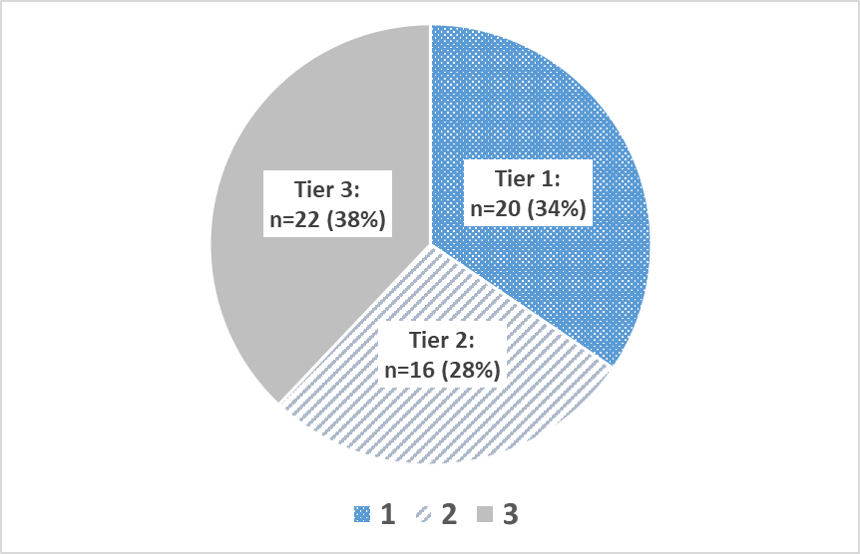

Table 3b: Donation and age-adjusted transplant rates, upper confidence limits, additional organs to meet cutoffs, and resulting performance tier for each OPO, 2020

Organ Procurement Organization (OPO) | OPO Code | January 1, 2020 - December 31, 2020
 |  | Donation |  |  |  | Transplant
 |  | Donation Rate | Upper limit of the one-sided 95% CI | Additional Donors Needed to Meet2: |  | Expected Rate | Observed Rate | Age-Adjusted Transplant Rate4 | Upper limit of the one-sided 95% CI | Additional Organs Needed to Meet2: |  | Tier3
 |  |  |  | Median: | Top 25%: |  |  |  |  | Median: | Top 25%:
 |  |  |  | 425 | 1,166 |  |  |  |  | 1,687 | 4,296

Legacy of Hope | ALOB | 10.23 | 11.50 | 0 | 26 | 33.67 | 32.65 | 35.42 | 37.82 | 0 | 53 | 2
Arkansas Regional Organ Recovery Agency | AROR | 6.11 | 7.51 | 35 | 53 | 32.01 | 21.14 | 24.12 | 26.81 | 82 | 123 | 3
...

2023 Assessment
...
Table 5a: Performance cutoff values for donation and transplant rates by year, 2021

Nation | January 1, 2021 - December 31, 2021
 | Donation |  |  |  | Transplant |  |  | Kidney Transplant
Observed Rate | 11.38 |  |  |  | 35.71 |  |  | 18.05
Top 25%1 | 13.06 |  |  |  | 42.01 |  |  | 20.98
Median1 | 11.24 |  |  |  | 35.95 |  |  | 18.33

Figures 3a-3c: Distribution of tier status5 for all OPOs in the nation, 2019-2021
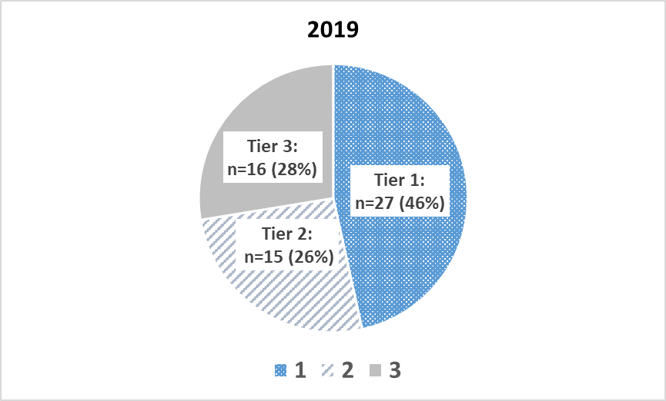
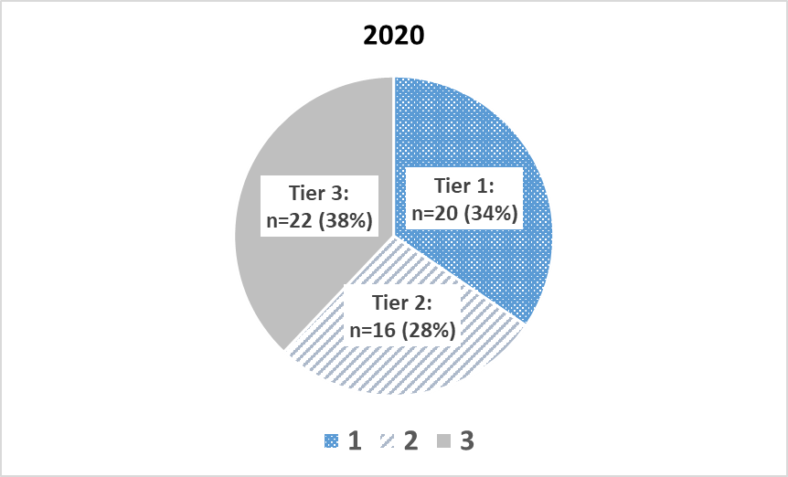
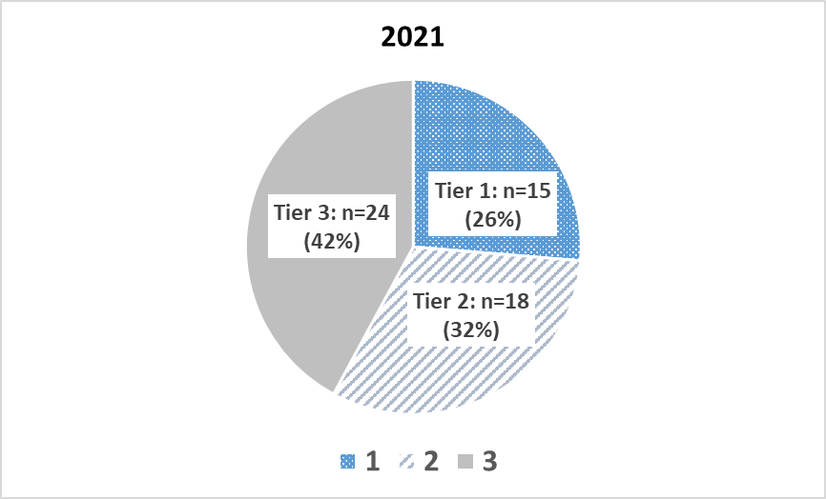

Table 5b: Donation and age-adjusted transplant rates, upper confidence limits, additional organs to meet cutoffs, and resulting performance tier for each OPO, 2021

Organ Procurement Organization (OPO) | OPO Code | January 1, 2021 - December 31, 2021
 |  | Donation |  |  |  |  | Transplant |  |  |  |  |  |  | Tier5
 |  | Donation Rate | Upper limit of the one-sided 95% CI | Additional Donors Needed to Meet2: |  | Rate Category3 | Expected Rate | Observed Rate | Age-Adjusted Transplant Rate4 | Upper limit of the one-sided 95% CI | Additional Organs Needed to Meet2: |  | Rate Category3
 |  |  |  | Median: | Top 25%: |  |  |  |  |  | Median: | Top 25%: |  | 2019 | 2020 | 2021
 |  |  |  | 345 | 1,345 |  |  |  |  |  | 1,949 | 6,041

Legacy of Hope | ALOB | 11.07 | 12.33 | 0 | 14 | 2B | 33.44 | 34.15 | 36.46 | 38.80 | 0 | 57 | 2B | 2 | 2 | 2
Arkansas Regional Organ Recovery Agency | AROR | 9.32 | 10.92 | 4 | 22 | 3B | 36.31 | 29.15 | 28.67 | 31.32 | 49 | 114 | 3E | 3 | 3 | 3
...

