2021
Final Interim OPO Performance Report for the 2026 Certification Period, July 2021
Donation and Age-Adjusted* Transplant Rates, 2019
*See Methodology sheet for description of age adjustment (note #5).

[1] Cutoffs are the median and 75th percentile of OPO performance determined based on measures from prior year.
[2] Additional organs needed for upper limit of 95% confidence interval (CI) to meet the median and top 25% cutoffs.
[3] Defintion of Tier Status is defined in the note #10 of the Methodology sheet.

Yellow highlighted values indicate the upper limit of the one-sided 95% confidence interval (CI) is below the top 25% but at or above the median cutoff value.
Red highlighted values indicate the upper limit of the one-sided 95% confidence interval (CI) is below the median cutoff value.

Nation | January 1, 2019 - December 31, 2019
 | Donation |  |  |  | Transplant |  |  | Kidney Transplant
Observed Rate | 11.32 |  |  |  | 37.02 |  |  | 18.06
Top 25%1 | 11.78 |  |  |  | 38.69 |  |  | 18.20
Median1 | 10.12 |  |  |  | 32.61 |  |  | 15.33
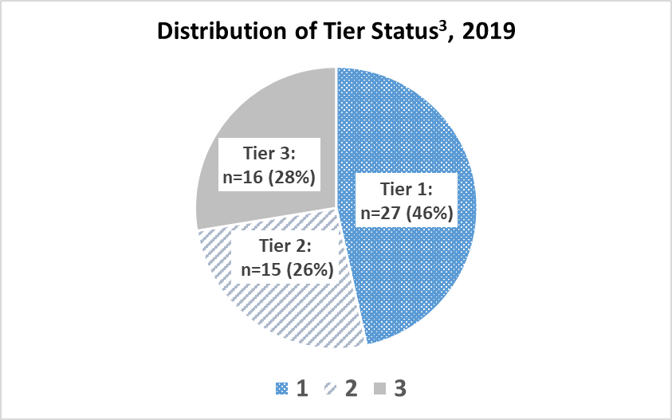

 | January 1, 2019 - December 31, 2019
Organ Procurement Organization (OPO) | Donation |  |  |  | Transplant |  |  |  |  |  | Tier3
 | Donation Rate | 95% CI | Additional Donors Needed to Meet2: |  | Expected Rate | Observed Rate | Standardized Transplant Rate | 95% CI | Additional Organs Needed to Meet2:
 |  |  | Median: | Top 25%: |  |  |  |  | Median: | Top 25%:
 |  |  | 149 | 545 |  |  |  |  | 482 | 2,184

Alabama Organ Center (ALOB) | 10.16 | 11.41 | 0 | 7 | 36.17 | 32.19 | 32.94 | 35.17 | 0 | 61 | 2
Arkansas Regional Organ Recovery Agency (AROR) | 6.42 | 7.87 | 21 | 37 | 32.24 | 21.26 | 24.41 | 27.17 | 45 | 96 | 3
Donor Network of Arizona (AZOB) | 13.51 | 14.80 | 0 | 0 | 47.86 | 48.20 | 37.28 | 39.19 | 0 | 0 | 1
California Transplant Donor Network (CADN) | 12.43 | 13.45 | 0 | 0 | 34.07 | 39.21 | 42.60 | 44.60 | 0 | 0 | 1
Golden State Donor Services (CAGS) | 8.65 | 10.44 | 0 | 11 | 36.04 | 28.67 | 29.45 | 32.57 | 1 | 48 | 3
OneLegacy (CAOP) | 9.16 | 9.84 | 16 | 103 | 34.04 | 31.18 | 33.90 | 35.25 | 0 | 170 | 3
Lifesharing - A Donate Life Organization (CASD) | 13.37 | 15.38 | 0 | 0 | 36.59 | 46.96 | 47.50 | 51.26 | 0 | 0 | 1
Donor Alliance (CORS) | 13.94 | 15.62 | 0 | 0 | 45.39 | 45.47 | 37.09 | 39.58 | 0 | 0 | 1
LifeChoice Donor Services (CTOP) | 11.86 | 14.33 | 0 | 0 | 39.68 | 39.69 | 37.03 | 41.03 | 0 | 0 | 1
Washington Regional Transplant Community (DCTC) | 11.13 | 12.74 | 0 | 0 | 38.67 | 41.00 | 39.25 | 42.13 | 0 | 0 | 1
TransLife (FLFH) | 13.41 | 15.02 | 0 | 0 | 41.82 | 45.98 | 40.71 | 43.35 | 0 | 0 | 1
Life Alliance Organ Recovery Agency (FLMP) | 7.47 | 8.52 | 31 | 62 | 35.46 | 26.07 | 27.21 | 29.17 | 64 | 177 | 3
LifeQuest Organ Recovery Services (FLUF) | 10.42 | 11.75 | 0 | 1 | 41.70 | 32.40 | 28.76 | 30.79 | 34 | 144 | 3
LifeLink of Florida (FLWC) | 11.56 | 12.76 | 0 | 0 | 32.84 | 36.44 | 41.07 | 43.47 | 0 | 0 | 1
LifeLink of Georgia (GALL) | 11.63 | 12.67 | 0 | 0 | 39.33 | 36.60 | 34.45 | 36.21 | 0 | 74 | 2
Iowa Donor Network (IAOP) | 9.84 | 11.67 | 0 | 1 | 35.92 | 32.44 | 33.43 | 36.66 | 0 | 17 | 2
Gift of Hope Organ & Tissue Donor Network (ILIP) | 12.79 | 13.79 | 0 | 0 | 34.39 | 40.48 | 43.57 | 45.53 | 0 | 0 | 1
Indiana Organ Procurement Organization (INOP) | 9.01 | 10.12 | 1 | 34 | 42.72 | 32.30 | 27.99 | 29.76 | 67 | 209 | 3
Kentucky Organ Donor Affiliates (KYDA) | 6.96 | 8.03 | 37 | 66 | 32.93 | 23.91 | 26.88 | 28.98 | 58 | 155 | 3
Louisiana Organ Procurement Agency (LAOP) | 12.96 | 14.37 | 0 | 0 | 44.58 | 43.78 | 36.35 | 38.52 | 0 | 4 | 2
New England Organ Bank (MAOB) | 11.03 | 12.04 | 0 | 0 | 35.91 | 35.20 | 36.28 | 38.15 | 0 | 15 | 2
The Living Legacy Foundation of Maryland (MDPC) | 13.14 | 14.90 | 0 | 0 | 42.29 | 41.40 | 36.24 | 38.96 | 0 | 0 | 1
Gift of Life Michigan (MIOP) | 10.70 | 11.69 | 0 | 3 | 33.31 | 35.67 | 39.64 | 41.64 | 0 | 0 | 2
LifeSource Upper Midwest Organ Procurement Organization (MNOP) | 11.07 | 12.38 | 0 | 0 | 37.36 | 35.61 | 35.28 | 37.58 | 0 | 20 | 2
Mid-America Transplant Services (MOMA) | 15.86 | 17.45 | 0 | 0 | 38.02 | 48.21 | 46.94 | 49.70 | 0 | 0 | 1
Mississippi Organ Recovery Agency (MSOP) | 7.08 | 8.57 | 15 | 31 | 33.02 | 22.71 | 25.46 | 28.22 | 38 | 91 | 3
Midwest Transplant Network (MWOB) | 17.83 | 19.54 | 0 | 0 | 40.57 | 61.96 | 56.54 | 59.58 | 0 | 0 | 1
Lifeshare of the Carolinas (NCCM) | 13.47 | 15.59 | 0 | 0 | 42.16 | 49.46 | 43.43 | 46.94 | 0 | 0 | 1
Carolina Donor Services (NCNC) | 10.66 | 11.77 | 0 | 1 | 35.68 | 34.84 | 36.15 | 38.22 | 0 | 11 | 2
Nebraska Organ Recovery System (NEOR) | 13.00 | 15.78 | 0 | 0 | 34.25 | 44.60 | 48.20 | 53.51 | 0 | 0 | 1
New Jersey Organ and Tissue Sharing Network OPO (NJTO) | 10.75 | 12.05 | 0 | 0 | 33.30 | 34.05 | 37.85 | 40.38 | 0 | 0 | 1
New Mexico Donor Services (NMOP) | 9.51 | 11.78 | 0 | 0 | 41.82 | 27.50 | 24.35 | 27.50 | 33 | 71 | 3
Nevada Donor Network (NVLV) | 15.86 | 17.94 | 0 | 0 | 35.82 | 49.85 | 51.51 | 55.35 | 0 | 0 | 1
Center for Donation and Transplant (NYAP) | 11.24 | 13.57 | 0 | 0 | 30.22 | 33.87 | 41.49 | 46.19 | 0 | 0 | 1
Finger Lakes Donor Recovery Program (NYFL) | 8.79 | 10.84 | 0 | 6 | 35.17 | 28.76 | 30.27 | 33.86 | 0 | 30 | 2
New York Organ Donor Network (NYRT) | 9.08 | 9.92 | 7 | 63 | 30.63 | 27.63 | 33.39 | 35.16 | 0 | 100 | 3
Upstate New York Transplant Services Inc (NYWN) | 7.11 | 9.54 | 3 | 9 | 31.68 | 18.12 | 21.17 | 25.09 | 26 | 47 | 3
LifeBanc (OHLB) | 9.51 | 10.90 | 0 | 12 | 39.73 | 31.60 | 29.44 | 31.71 | 14 | 105 | 3
Life Connection of Ohio (OHLC) | 11.95 | 14.07 | 0 | 0 | 41.78 | 40.52 | 35.90 | 39.24 | 0 | 0 | 1
Lifeline of Ohio (OHLP) | 10.60 | 12.13 | 0 | 0 | 38.36 | 33.02 | 31.87 | 34.40 | 0 | 56 | 2
LifeCenter Organ Donor Network (OHOV) | 10.91 | 13.12 | 0 | 0 | 46.31 | 36.28 | 29.00 | 32.05 | 5 | 54 | 3
LifeShare Transplant Donor Services of Oklahoma (OKOP) | 11.13 | 12.56 | 0 | 0 | 35.93 | 33.97 | 35.00 | 37.53 | 0 | 17 | 2
Pacific Northwest Transplant Bank (ORUO) | 9.66 | 11.08 | 0 | 10 | 29.96 | 31.64 | 39.10 | 42.16 | 0 | 0 | 2
Gift of Life Donor Program (PADV) | 17.14 | 18.24 | 0 | 0 | 39.38 | 54.91 | 51.61 | 53.57 | 0 | 0 | 1
Center for Organ Recovery and Education (PATF) | 11.52 | 12.76 | 0 | 0 | 32.02 | 36.42 | 42.11 | 44.65 | 0 | 0 | 1
LifeLink of Puerto Rico (PRLL) | 9.52 | 11.27 | 0 | 5 | 26.81 | 22.86 | 31.56 | 35.09 | 0 | 24 | 2
LifePoint (SCOP) | 10.68 | 12.03 | 0 | 0 | 43.09 | 37.18 | 31.94 | 34.05 | 0 | 87 | 2
Tennessee Donor Services (TNDS) | 11.39 | 12.42 | 0 | 0 | 37.30 | 37.87 | 37.59 | 39.48 | 0 | 0 | 1
Mid-South Transplant Foundation (TNMS) | 6.43 | 7.97 | 18 | 32 | 36.66 | 20.40 | 20.60 | 23.10 | 81 | 133 | 3
LifeGift Organ Donation Center (TXGC) | 11.93 | 12.89 | 0 | 0 | 39.63 | 40.48 | 37.81 | 39.49 | 0 | 0 | 1
Texas Organ Sharing Alliance (TXSA) | 9.45 | 10.60 | 0 | 23 | 38.64 | 31.18 | 29.87 | 31.83 | 16 | 140 | 3
Southwest Transplant Alliance (TXSB) | 12.83 | 13.86 | 0 | 0 | 40.46 | 42.06 | 38.48 | 40.22 | 0 | 0 | 1
Intermountain Donor Services (UTOP) | 15.59 | 17.97 | 0 | 0 | 47.62 | 52.28 | 40.64 | 44.03 | 0 | 0 | 1
LifeNet Health (VATB) | 9.09 | 10.25 | 0 | 28 | 33.30 | 31.22 | 34.71 | 37.04 | 0 | 28 | 2
LifeCenter Northwest Organ Donation Network (WALC) | 12.33 | 13.51 | 0 | 0 | 35.95 | 40.08 | 41.26 | 43.47 | 0 | 0 | 1
Versiti Wisconsin, Inc (WIDN) | 14.61 | 16.99 | 0 | 0 | 37.19 | 46.49 | 46.27 | 50.46 | 0 | 0 | 1
...

